Sheet1
Sl No: | 1
zoho Id | WQ1-148
Summary: | Blank Vital entry is generating in Assessment History

Steps to Reproduce:

 | 1) Launch Application
 | URL: http://mediwarecloud.com/mediwareqc
 | 2) Go to Care Desk>>Out Patient tab
 | 3) Select any Patient in Arrived status
 | Patient Id: NH00000193
 | 4) Patient OP Pre-consultation pop up is displayed
 | 5) Select Vitals in Templates Menu
 | 6) Selct "Save & Continue" Button twice without entering data
 | 7) Verify "Assessment Summary" in Templates

Module: | Care Desk

Expected Result:

 | Vital entry for balnk data should not be generated

Actual Result:

 | Vital Entry table is generated with blank data
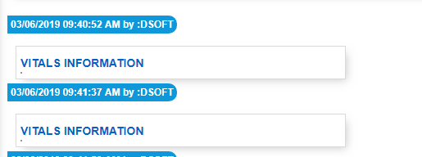

Sl No: | 2
Zoho id | WQ1-149
Summary: | Text overlapping in Assessment History

Steps to Reproduce:

 | 1) Launch Application
 | URL: http://mediwarecloud.com/mediwareqc
 | 2) Go to Care Desk>>Out Patient tab
 | 3) Select any Patient in Arrived status
 | Patient Id: NH00000193
 | 4) Patient OP Pre-consultation pop up is displayed
 | 5) Select "Patient and Family Education" in Templates Menu
 | 6) Enter details and Click Save
 | 7) Select "Assessment Summary" in "Transactions"
 | 8) Verify Parent and Family Education entered details

Module: | Care Desk

Expected Result:

 | Data should be displayed in correct format

Actual Result:

 | Parent Education details is data is overlapping

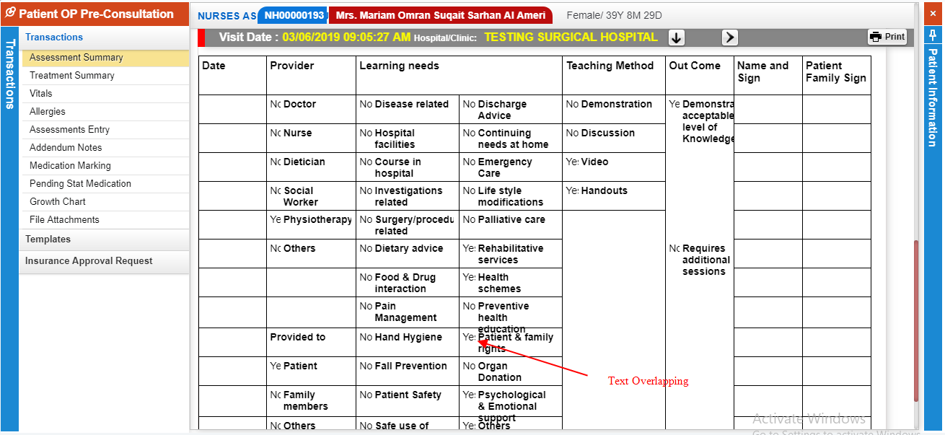

Sl No: | 3

Summary: | Font size heading is different in "Assessment Summary"

Steps to Reproduce:
 | 1) Launch Application
 | URL: http://mediwarecloud.com/mediwareqc
 | 2) Go to Care Desk>>Out Patient tab
 | 3) Select any Patient in Arrived status
 | 4) Patient OP Pre-consultation pop up is displayed
 | 5) Select "Patient and Family Education" in Templates Menu
 | 6) Enter details and Click Save
 | 7) Select "Assessment Summary" in "Transactions"
 | 8) Verify "Visit Date " and "Hospital/Clinic"

Module: | Care Desk

Expected Result:
 | "Visit Date " and "Hospital/Clinic" should have same font size

Actual Result:
 | "Visit Date " and "Hospital/Clinic" having different font size

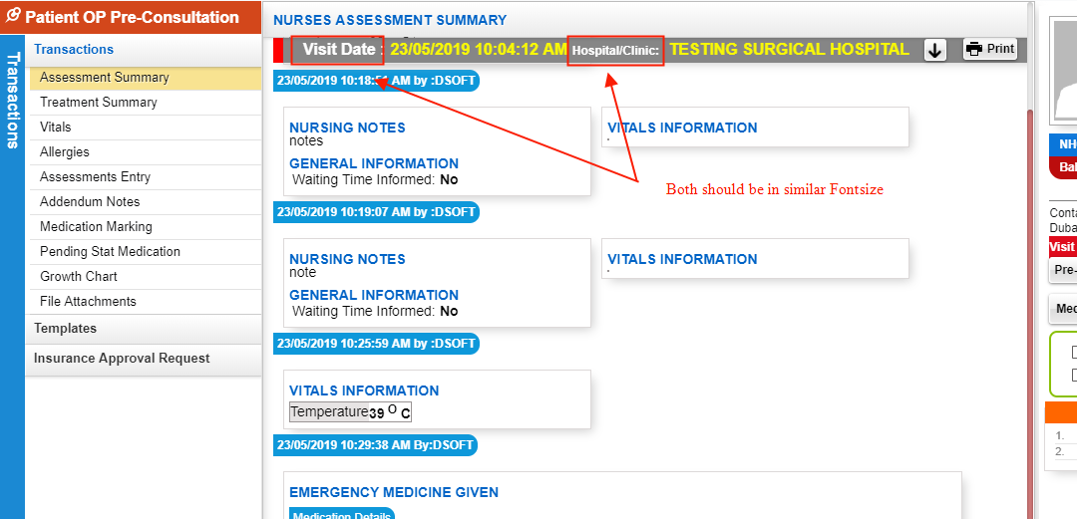

Sl No: | 4
Zoho id | EQ1-190

Summary: | Appointment Time is not displaying

Steps to Reproduce:
 | 1) Launch Application
 | URL: http://mediwarecloud.com/mediwareqc
 | 2) Go to Care Desk>>Out Patient tab
 | 3) Verify Waiting Out patient listings

Module: | Care Desk

Expected Result:

 | Appointment Time should be displayed

Actual Result:

 | Appointment time is not displaying

Sl No: | 5

Summary: | Check box is partially visible in "Patient and Family Education"

Steps to Reproduce:
 | 1) Launch Application
 | URL: http://mediwarecloud.com/mediwareqc
 | 2) Go to Care Desk>>Out Patient tab
 | 3)Select any Patient from the list
 | 4) Patient OP-Pre consultation pop up window should be displayed
 | 5) Select Patient and Family Education in Templates Menu
 | 7) Click on pin option on top right of the pop up window
 | 6) Verify form data

Module: | Care Desk

Expected Result:
 | Check box ahould be fully visible

Actual Result:
 | Check box is partially visible

Sl No: | 6
Zoho Id:
Summary: | Add space b/w text "Patientwise"

Steps to Reproduce: | 1) Launch Application
 | URL: http://mediwarecloud.com/mediwareqc
 | 2) Go to In Patient
 | 3) Select Menu>>Query
 | 3) Verify Patientwise search

Module: | In Patient

Expected Result:

Actual Result:
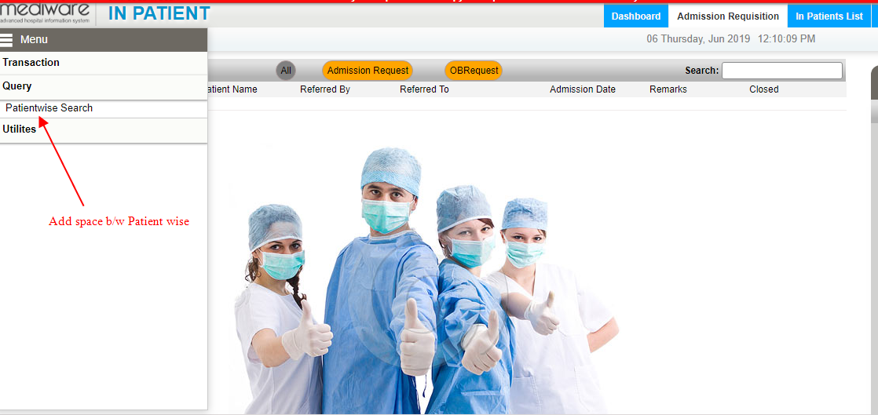

Sl No: | 7
Zoho Id:
Summary: | Change "Back" Button Icon

Steps to Reproduce:
 | 1) Launch Application
 | URL: http://mediwarecloud.com/mediwareqc
 | 2) Go to In Patient
 | 3) Select Menu>>Query>>Patient Search
 | 4) Enter Search keyword and Search for IP patients in the IP Patient list pop up
 | 5) Verify "Back" Icon

Module: | In Patient

Expected Result:
 | Icon should be Back Arrow

Actual Result:
 | Displaying "Search" icon
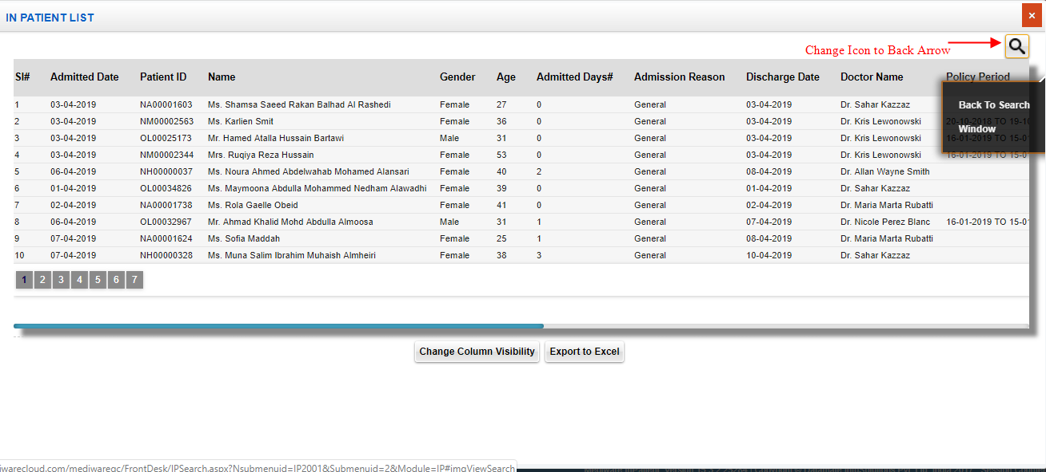

Sl No: | 8
Zoho Id: | EQ1-I60
Summary: | Confirmation message is not displaying for deleting Procedure Category in Procategory Head

Steps to Reproduce:
 | 1) Launch Application
 | URL: http://mediwarecloud.com/mediwareqc
 | 2) Go to In Patient
 | 3)Select Menu>>Utilities>>Procategory Heads
 | 4) Select Search button and select any category head from the list
 | 5)Verify Delete in Procedure Category

Module: | In Patient

Expected Result:
 | Confirmation message should be displayed

Actual Result:
 | No Confirmation message

Sl No: | 9
Zoho Id: | EQ1-I58
Summary: | Mandatory field identification is missing

Steps to Reproduce:
 | 1) Launch Application
 | URL: http://mediwarecloud.com/mediwareqc
 | 2) Go to In Patient
 | 3)Select Menu>>Utilities>>Procategory Heads
 | 4)Verify Header name and order no: textboxes

Module: | In Patient

Expected Result:
 | Header name and Order number texboxes should be marked red on left side

Actual Result:
 | No red marking on Header name and order number textboxes

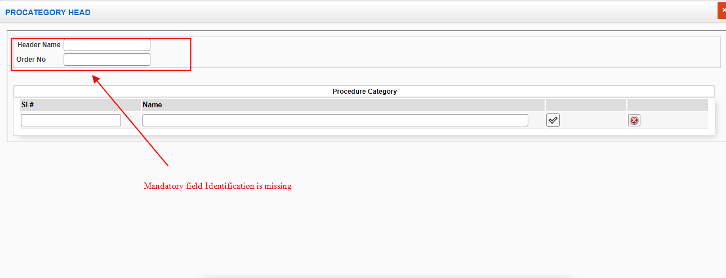

Sl No: | 10
Zoho Id: | EQ1-I56
Summary: | Blank Preview of print is generating in "Approximate Calculation"

 | Steps to Reproduce:
 | 1) Launch Application
 | URL: http://mediwarecloud.com/mediwareqc
 | 2) Go to In Patient
 | 3)Select Menu>>Utilities>>Approximate calculation
 | 4) Select any from the list and Click "Process" Button
 | 5)Total amount and Advance amount is generated
 | 6) Select Print option
 | 7) A pop up for selecting Summary,Detailed Print(Bill wise),Detailed Print (Item wise) is generated
 | 8) Verify "summary Print"

Module: | In Patient

Expected Result:
Print Preview of Summary of bill details should be generated

Actual Result:
Blank page is generating



Sl No: | 11
Zoho Id: | EQ1-I55
Summary: | "No Data found" message is generating instead of message to select Patient

Steps to Reproduce:
 | 1) Launch Application
 | URL: http://mediwarecloud.com/mediwareqc
 | 2) Go to In Patient
 | 3)Select Menu>>Utilities>>Approximate calculation
 | 4) "Process" Button without selecting Patients from the list
 | 5) Verify Message displayed

Module: | In Patient

Expected Result:
 | Message to check any checkbox should be generated

Actual Result
 | No data found message is generating
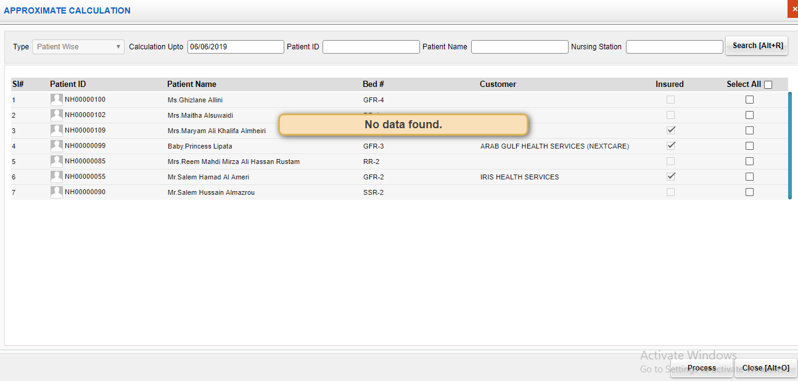

Sl No: | 12
Zoho Id:
Summary: | Add space in OBRequest

Steps to Reproduce:
 | 1) Launch Application
 | URL: http://mediwarecloud.com/mediwareqc
 | 2) Go to In Patient
 | 3) select Admission Requisition tab
 | 4) Verify OB Request

Module: | In Patient

Expected Result:

Actual Result
 | No space b/w OB Request
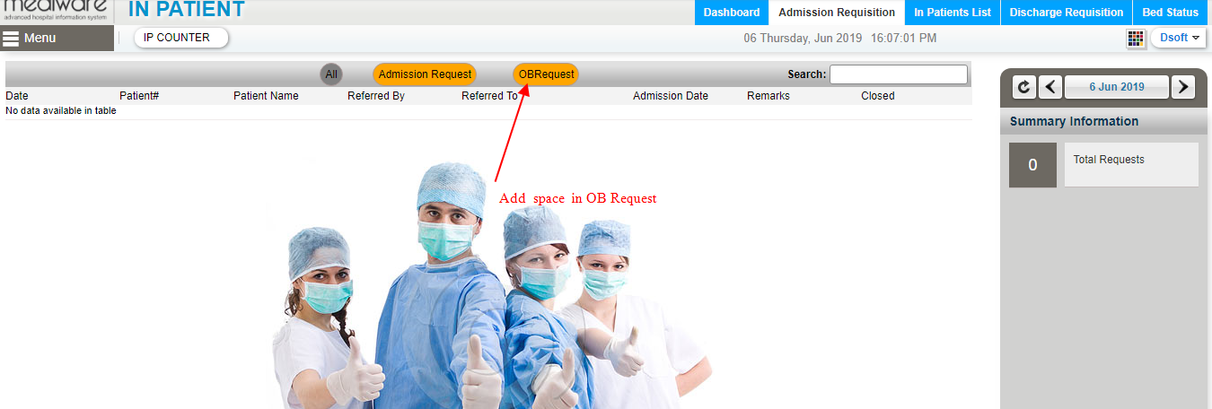

Sl No: |  | Zoho Id: | Summary: | Doctor name is not listing in Care Desk Module

 |  |  | Steps to Reproduce: | 1) Launch Application
 |  |  |  | URL: http://mediwarecloud.com/mediwareqc
 |  |  |  | 2) Select "Testing Marina" as hospital
 |  |  |  | 3) Select Care Desk Module
 |  |  |  | 4) Select Out-Patient tab
 |  |  |  | 5) Verify "Change Doctor" drop dowm

 |  |  | Screen Resolution: | 1360x768
 |  |  | Browser: | Google Chrome Version 74.0.3729.169
 |  |  | Operating System: | Window 10, Windows 7

 |  |  | Module: | Care Desk

 |  |  | Expected Result: | All Doctors in "Testing Marina" should be listed

 |  |  | Actual Result | Dr. Raj Mohan in Testing Marina is not listing

IP
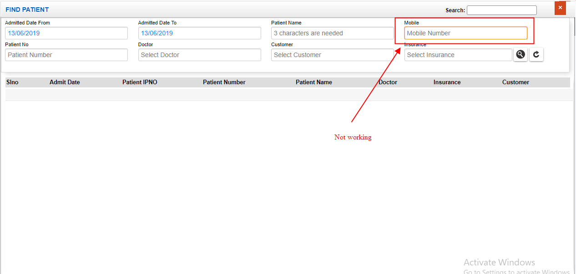
Sl No: | 1 | Zoho Id: | EQ1-I98 | Summary: | Clear button will clear all Advance linstings

 |  |  |  | Steps to Reproduce: | 1) Launch Application
 |  |  |  |  | URL: http://mediwarecloud.com/mediwareqc
 |  |  |  |  | 2) Go to In Patient
 |  |  |  |  | 3) Select Menu>>Advance
 |  |  |  |  | 4) Select "Search" button on bottom of the "Advance" pop up window
 |  |  |  |  | 5) Enter data in any search fields
 |  |  |  |  | 6) Select "Clear" Button
 |  |  |  |  | 7) Verify result

 |  |  |  | Module: | In-Patient

 |  |  |  | Expected Result: | Should clears all search fields only

 |  |  |  | Actual Result | Clears all listings along with search fields
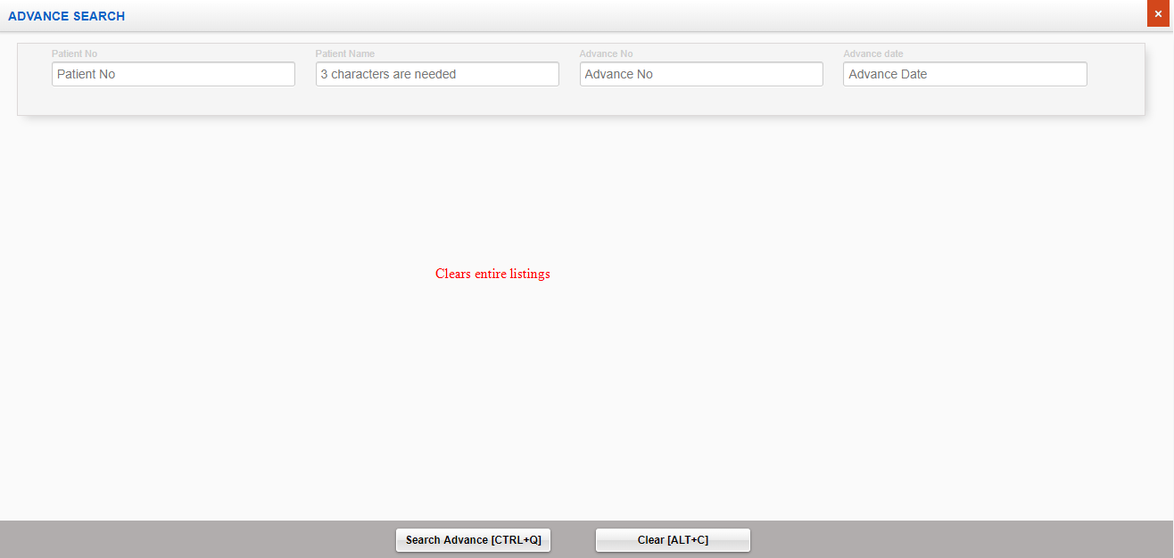

Sl No: | 2 | Zoho Id: | EQ1-I99 | Summary: | Cannot enter alphabets in Patient Id Search

 |  |  |  | Steps to Reproduce: | 1) Launch Application
 |  |  |  |  | URL: http://mediwarecloud.com/mediwareqc
 |  |  |  |  | 2) Go to In Patient
 |  |  |  |  | 3) Select Menu>>Advance
 |  |  |  |  | 4) Select "Search" button on bottom of the "Advance" pop up window
 |  |  |  |  | 5) Verify Patient Id Search textbox box

 |  |  |  | Module: | IP Patient

 |  |  |  | Expected Result: | Should be able to type alphabets

 |  |  |  | Actual Result | Cannot enter alphabets
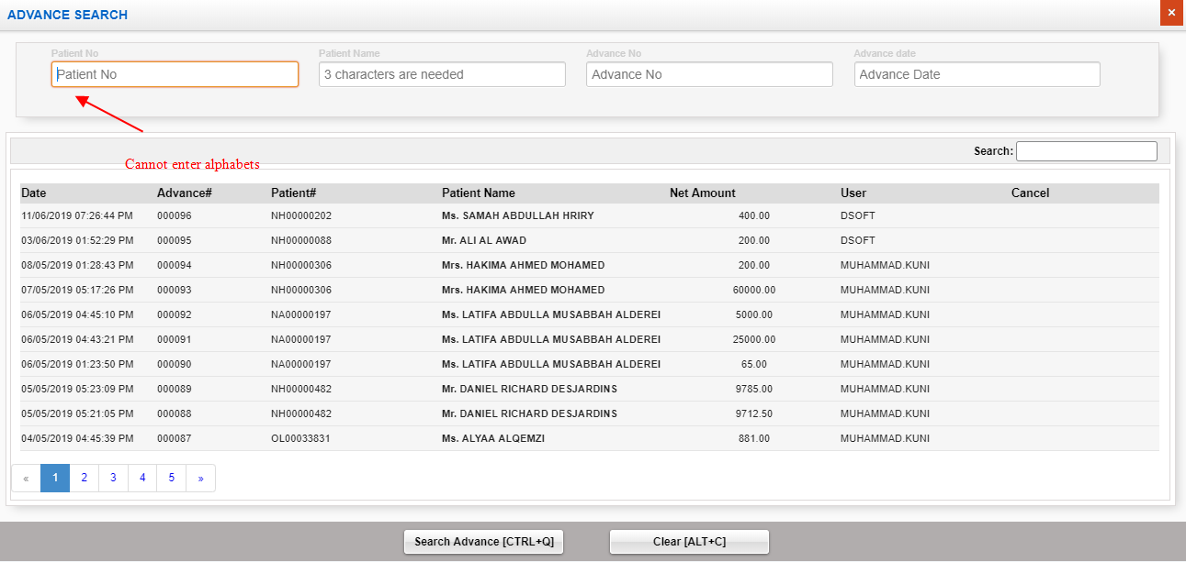

Sl No: | 3 | Zoho Id: | EQ1-I00 | Summary: | Search is not working correctly

 |  |  |  | Steps to Reproduce: | 1) Launch Application
 |  |  |  |  | URL: http://mediwarecloud.com/mediwareqc
 |  |  |  |  | 2) Go to In Patient
 |  |  |  |  | 3) Select Menu>>Advance
 |  |  |  |  | 4) Select "Search" button on bottom of the "Advance" pop up window
 |  |  |  |  | 5) Enter text "88" in search text box
 |  |  |  |  | 6) Verify Result

 |  |  |  | Module: | IP Patient

 |  |  |  | Expected Result: | Should display only fields containing any of the entered text should be present

 |  |  |  | Actual Result | Unmatching result is generating
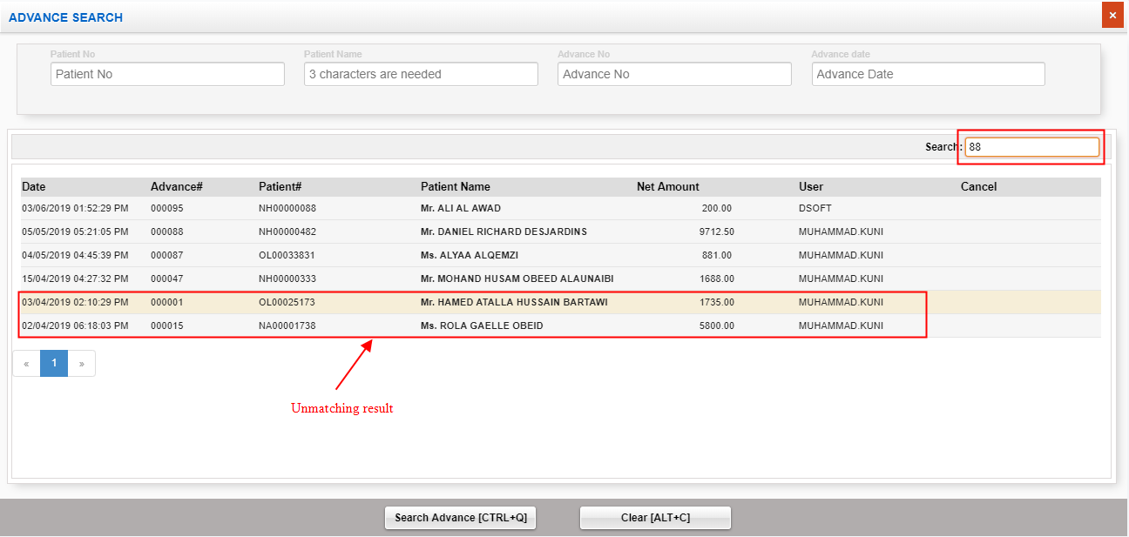

Sl No: | 4 | Zoho Id: | EQ1-I01 | Summary: | Status missing

 |  |  |  | Steps to Reproduce: | 1) Launch Application
 |  |  |  |  | URL: http://mediwarecloud.com/mediwareqc
 |  |  |  |  | 2) Go to In Patient
 |  |  |  |  | 3) Select Menu>>Advance
 |  |  |  |  | 4) Select "Search" button on bottom of the "Advance" pop up window
 |  |  |  |  | 5) Status heading is missing

 |  |  |  | Module: | In Patient

 |  |  |  | Expected Result: | Should display status of each advance

 |  |  |  | Actual Result | Cancel Heading instead of Status
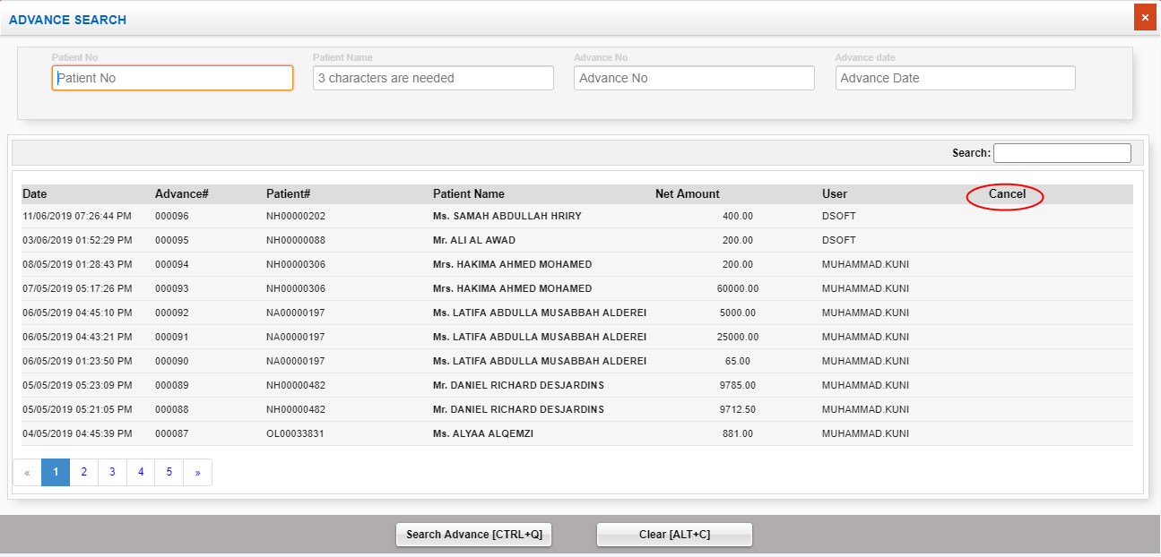

Sl No: | 5 | Zoho Id: | EQ1-I02 | Summary: | Change the position of Submit and clear button

 |  |  |  | Steps to Reproduce: | 1) Launch Application
 |  |  |  |  | URL: http://mediwarecloud.com/mediwareqc
 |  |  |  |  | 2) Go to In Patient
 |  |  |  |  | 3) Select Menu>>Advance
 |  |  |  |  | 4) Select "Search" button on bottom of the "Advance" pop up window
 |  |  |  |  | 5) Verify the position of Submit and clear button

 |  |  |  | Module: | IP Patient

 |  |  |  | Expected Result:

 |  |  |  | Actual Result
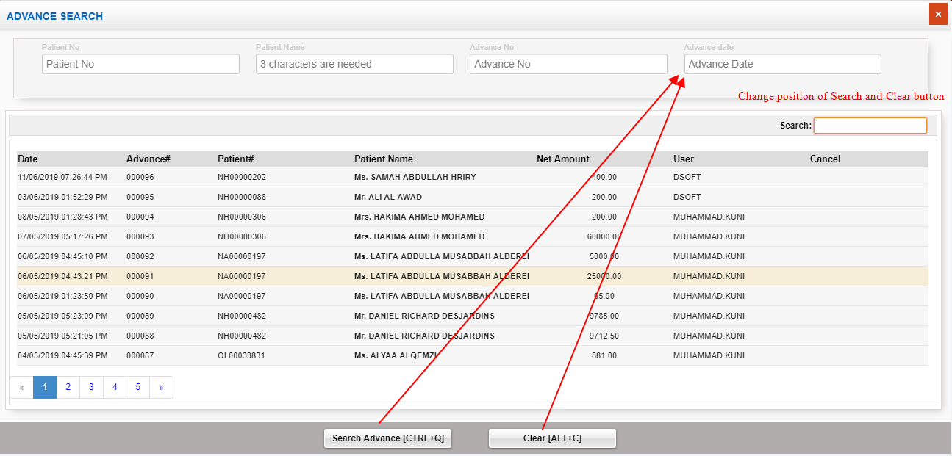

Sl No: | 6 | Zoho Id: | EQ1-I04 | Summary: | Cannot enter future date in discharge entry

 |  |  |  | Steps to Reproduce: | 1) Launch Application
 |  |  |  |  | URL: http://mediwarecloud.com/mediwareqc
 |  |  |  |  | 2) Go to In Patient
 |  |  |  |  | 3) Select Menu>>Discharge Entry
 |  |  |  |  | 4) Enter Discharge date and status and select save
 |  |  |  |  | 5) Verify message

 |  |  |  | Screen Resolution: | 1360x768
 |  |  |  | Browser: | Google Chrome Version 74.0.3729.169
 |  |  |  | Operating System: | Window 10, Windows 7

 |  |  |  | Module: | IP Patient

 |  |  |  | Expected Result: | Discharge entry should be addede with future date

 |  |  |  | Actual Result | Cannot enter discharge in future date
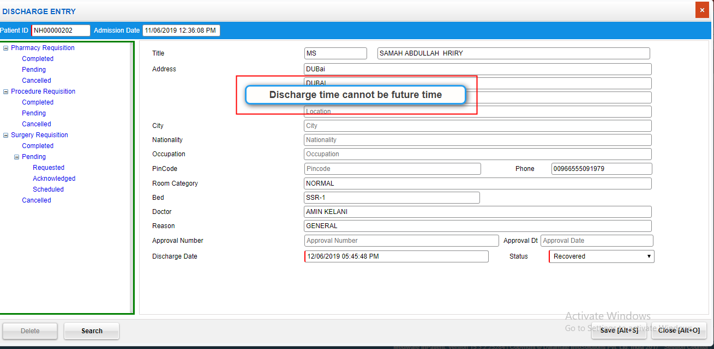

Sl No: | 7 | Zoho Id: | EQ1-I06 | Summary: | No data displaying in Room Release list

 |  |  |  | Steps to Reproduce: | 1) Launch Application
 |  |  |  |  | URL: http://mediwarecloud.com/mediwareqc
 |  |  |  |  | 2) Go to In Patient
 |  |  |  |  | 3) Select Menu>>Transaction>>Room Release
 |  |  |  |  | 4) Verify list

 |  |  |  | Screen Resolution: | 1360x768
 |  |  |  | Browser: | Google Chrome Version 74.0.3729.169
 |  |  |  | Operating System: | Window 10, Windows 7

 |  |  |  | Module: | IP Patient

 |  |  |  | Expected Result: | Released Room details should be listed

 |  |  |  | Actual Result | No data is displaying
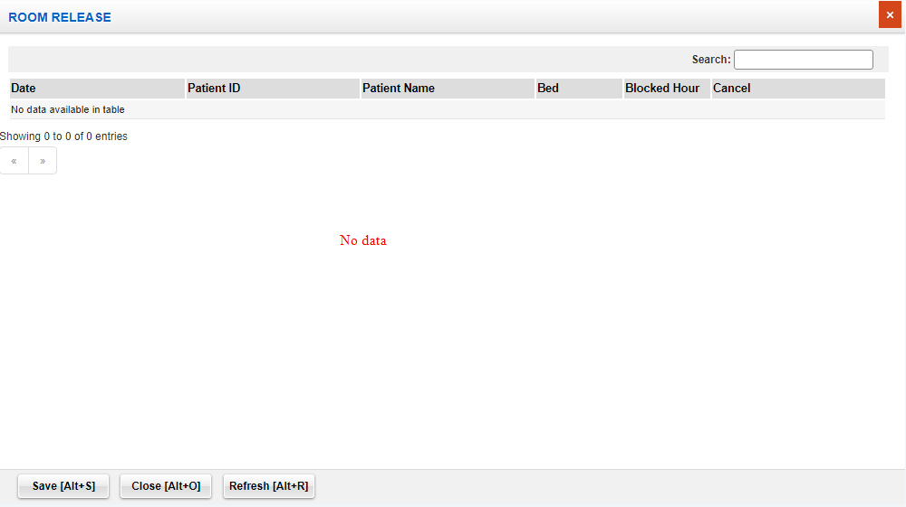

Sl No: | 8 | Zoho Id: | EQ1-I08 | Summary: | Search, Clear etc buttons in Admission pop up window is accessible in "Find Patient" pop up window

 |  |  |  | Steps to Reproduce: | 1) Launch Application
 |  |  |  |  | URL: http://mediwarecloud.com/mediwareqc
 |  |  |  |  | 2) Go to In Patient
 |  |  |  |  | 3) Select Menu>>Transaction>>Admission
 |  |  |  |  | 4) Select "Search" button on bottom of the pop up window
 |  |  |  |  | 5) Verify Find Patient pop up window

 |  |  |  | Screen Resolution: | 1360x768
 |  |  |  | Browser: | Google Chrome Version 74.0.3729.169
 |  |  |  | Operating System: | Window 10, Windows 7

 |  |  |  | Module: | IP Patient

 |  |  |  | Expected Result: | Search, Clear etc buttons in Admission pop up should not be visible in "Find Patient" pop up or in disabeled form

 |  |  |  | Actual Result | Search, Clear etc in Admission pop up is visible in "Find Patient" pop up

Sl No: | 9 | Zoho Id: | EQ1-I09 | Summary: | Search in "Find Patient" pop up is not working correctly

 |  |  |  | Steps to Reproduce: | 1) Launch Application
 |  |  |  |  | URL: http://mediwarecloud.com/mediwareqc
 |  |  |  |  | 2) Go to In Patient
 |  |  |  |  | 3) Select Menu>>Transaction>>Admission
 |  |  |  |  | 4) Select Search option
 |  |  |  |  | 5) Select Admission date from as 01/03/2019 , Admission Date to as 13/06/2019 and click Search Button
 |  |  |  |  | 5) From the displayed list search using text box on top of the pop up window

 |  |  |  | Screen Resolution: | 1360x768
 |  |  |  | Browser: | Google Chrome Version 74.0.3729.169
 |  |  |  | Operating System: | Window 10, Windows 7

 |  |  |  | Module: | IP Patient

 |  |  |  | Expected Result: | Should display only the searched item from the list

 |  |  |  | Actual Result | unmatching result is displaying

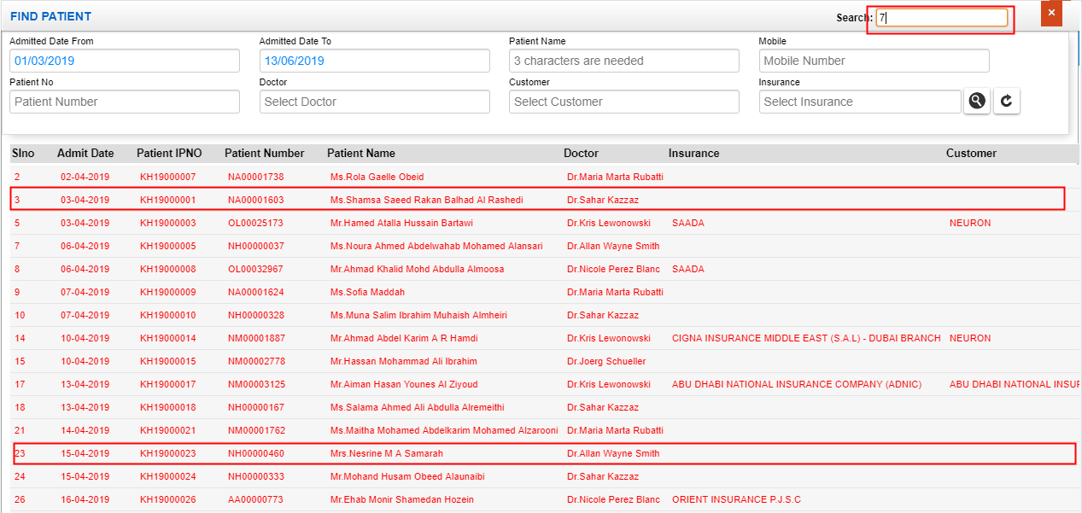

Sl No: | 10 | Zoho Id: | EQ1-I12 | Summary: | Mobile number search is not working in "Find Patient"

 |  |  |  | Steps to Reproduce: | 1) Launch Application
 |  |  |  |  | URL: http://mediwarecloud.com/mediwareqc
 |  |  |  |  | 2) Go to In Patient
 |  |  |  |  | 3) Select Menu>>Transaction>>Admission
 |  |  |  |  | 4) Select "Search" option
 |  |  |  |  | 5) Select "Admission from date" and "Admission to date"
 |  |  |  |  | 6) Enter Patient Mobile number
 |  |  |  |  | 7) Select "search" result
 |  |  |  |  | 8) Verify Result

 |  |  |  | Screen Resolution: | 1360x768
 |  |  |  | Browser: | Google Chrome Version 74.0.3729.169
 |  |  |  | Operating System: | Window 10, Windows 7

 |  |  |  | Module: | IP Patient

 |  |  |  | Expected Result: | Should display IP Patients with the entered Mobile number

 |  |  |  | Actual Result | No result is displaying

Store
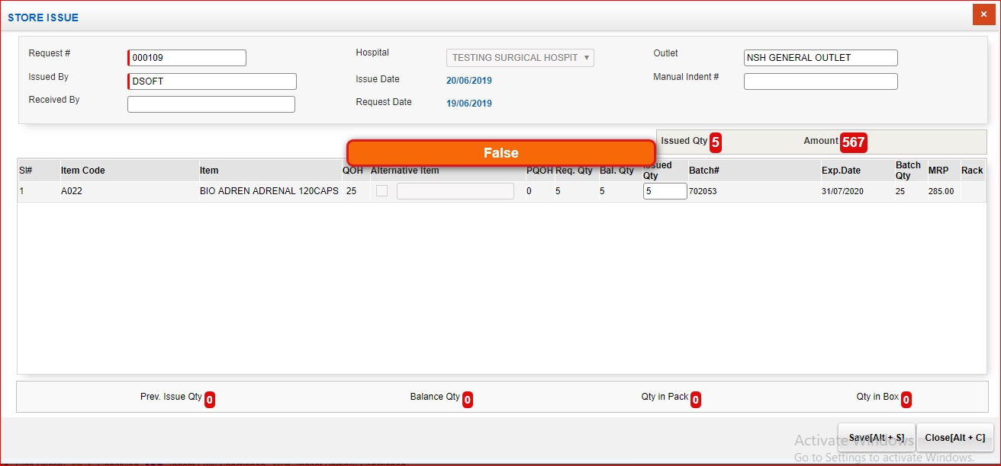
Sl No: | 1 | Zoho Id: | EQ1-150 | Summary: | Cannot view items in Store Issue pop up window

 |  |  |  | Steps to Reproduce: | 1) Launch Application URL: http://mediwarecloud.com/mediwareqc 2) Select "Store" from Application selector 3) Select "Hospital" , "Store" from the dropdown and Click "Select" Button 4) Go to "Pending Request Tab" 5) Select any Request by clicking on it 6) Verify generated "Store Issue" pop up window

 |  |  |  | Module: | Store Management

 |  |  |  | Expected Result: | Should display Requested Item details in the "Store Issue" pop up window

 |  |  |  | Actual Result | Not displaying requested items in pop up window

 |  |  |  |  | Screen Resolution: 1360x768 Browser: Google Chrome Version 74.0.3729.169 Operating System: Window 10, Windows 7
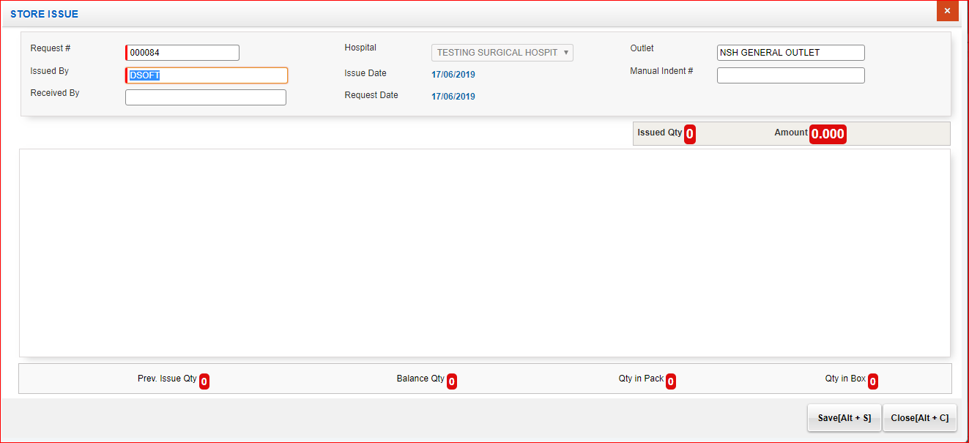

Sl No: | 2 | Zoho Id: | EQ1-173 | Summary: | Two print options in Quotation pop up

 |  |  |  | Steps to Reproduce: | 1) Launch Application URL: http://mediwarecloud.com/mediwareqc 2) Select "Store" from Application selector 3) Select "Hospital" , "Store" from the dropdown and Click "Select" Button 4) Go to "Quotation Tab" 5) Select any Quotation by clicking on it 6) Select Print button 7) Verify Print option in pop up displayed

 |  |  |  | Module: | Store

 |  |  |  | Expected Result: | Print and Close button should be displayed

 |  |  |  | Actual Result | Two Print buttons are available

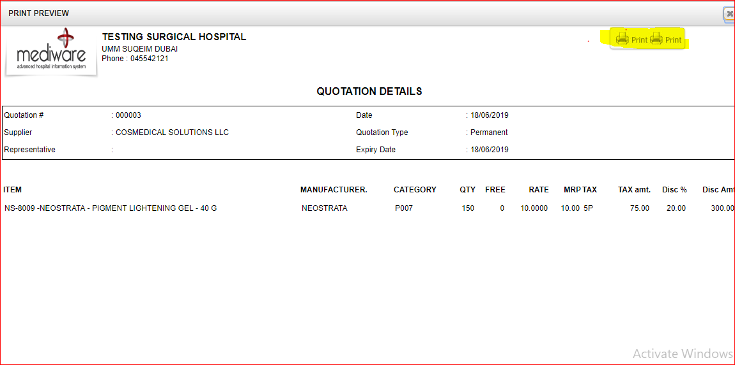

Sl No: | 3 | Zoho Id: | EQ1-175 | Summary: | UI issue in displaying Transaction details

 |  |  |  | Steps to Reproduce: | 1) Launch Application URL: http://mediwarecloud.com/mediwareqc 2) Select "Store" from Application selector 3) Select "Hospital" , "Store" from the dropdown and Click "Select" Button 4) Go to "Quotation Tab" 5) Select any Supplier and click Item wise search option 6) In Item wise search pop up seach for any option 7) From the displayed list , select any item 8) Click "Transaction details" 9) In Transaction details" pop up view selct date rande and select "Show" option

 |  |  |  | Module: | Store

 |  |  |  | Expected Result: | Details should be displayed in correct table format with table border

 |  |  |  | Actual Result | UI issue in displaying data in table format

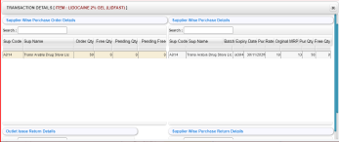

Sl No: | 4 | Zoho Id: | EQ1-177 | Summary: | Page Title missing

 |  |  |  | Steps to Reproduce: | 1) Launch Application URL: http://mediwarecloud.com/mediwareqc 2) Select "Store" from Application selector 3) Select "Hospital" , "Store" from the dropdown and Click "Select" Button 4) Go to "Quotation Tab" 5) Select any Supplier and click Item wise search option 6) Item wise search pop up window is displayed 7) Verify pop up window

 |  |  |  | Module: | Store

 |  |  |  | Expected Result: | Page titile should be presnt

 |  |  |  | Actual Result | Page title is missing

 |  |  |  |  | Screen Resolution: 1360x768 Browser: Google Chrome Version 74.0.3729.169 Operating System: Window 10, Windows 7
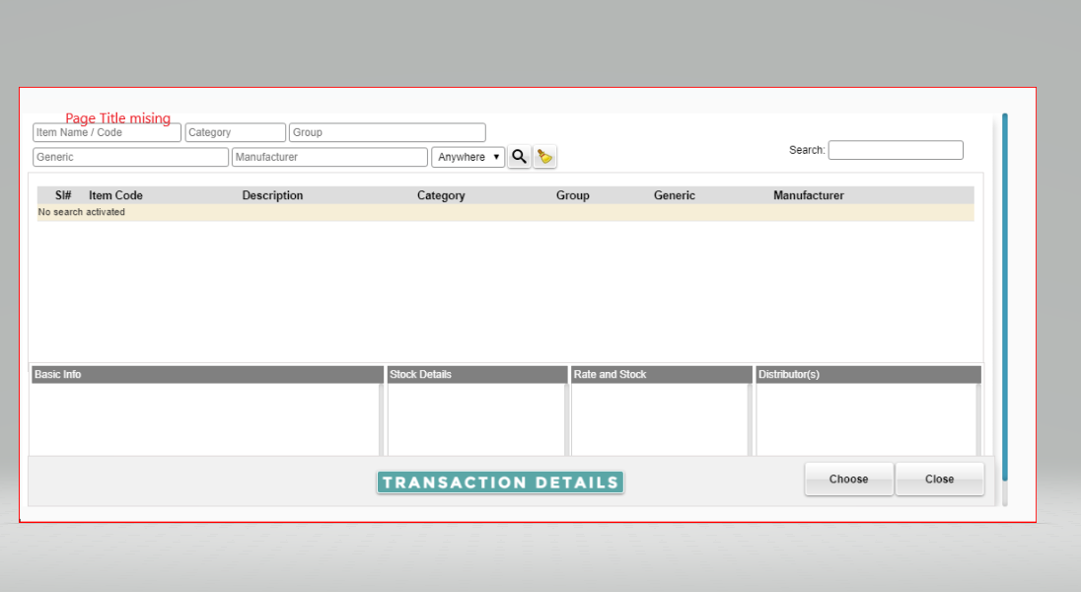

Sl No: | 5 | Zoho Id: | EQ1-189 | Summary: | Cannot add store issue details

 |  |  |  | Steps to Reproduce: | 1) Launch Application URL: http://mediwarecloud.com/mediwareqc 2) Select "Store" from Application selector 3) Select "Hospital" , "Store" from the dropdown and Click "Select" Button 4) Go to "Pending Request" Tab 5) Select any request from the list 6) Store issue pop up window is displayed 7) Enter issued quantity and select save

 |  |  |  | Module: | Store

 |  |  |  | Expected Result: | Data saved successfully message should be displayed and quantity should be issued

 |  |  |  | Actual Result | False message is displaying

 |  |  |  |  | Screen Resolution: 1360x768 Browser: Google Chrome Version 74.0.3729.169 Operating System: Window 10, Windows 7

OP
Sl No: | 1 | Zoho Id: | EQ1-I285 | Summary: | Upload unsupporting file in Patient photo upload in Registration
TC_id | MED_Out Patient_TC_007
 |  |  |  |  | Steps to Reproduce: 1) Launch Application URL: http://mediwarecloud.com/mediwareqc 2) Username: opuser, password: 123 3) Select "Outpatient" from Application selector 4)Select the Appointment List tab on right top of the out patient page. 5) Select Mark Arrival icon of any of the Patient in the list 6) Select Capture Photo on the Registration pop up displayed 7) Select any unsupporting file (.xls,doc )from folder

 |  |  |  |  | Screen Resolution: 1360x768 Browser: Google Chrome Version 74.0.3729.169 Operating System: Window 10, Windows 7

 |  |  |  |  | Expected Result: Error Message should be displayed showing showing the type of file to be uploaded

 |  |  |  |  | Actual Result No message is displaying
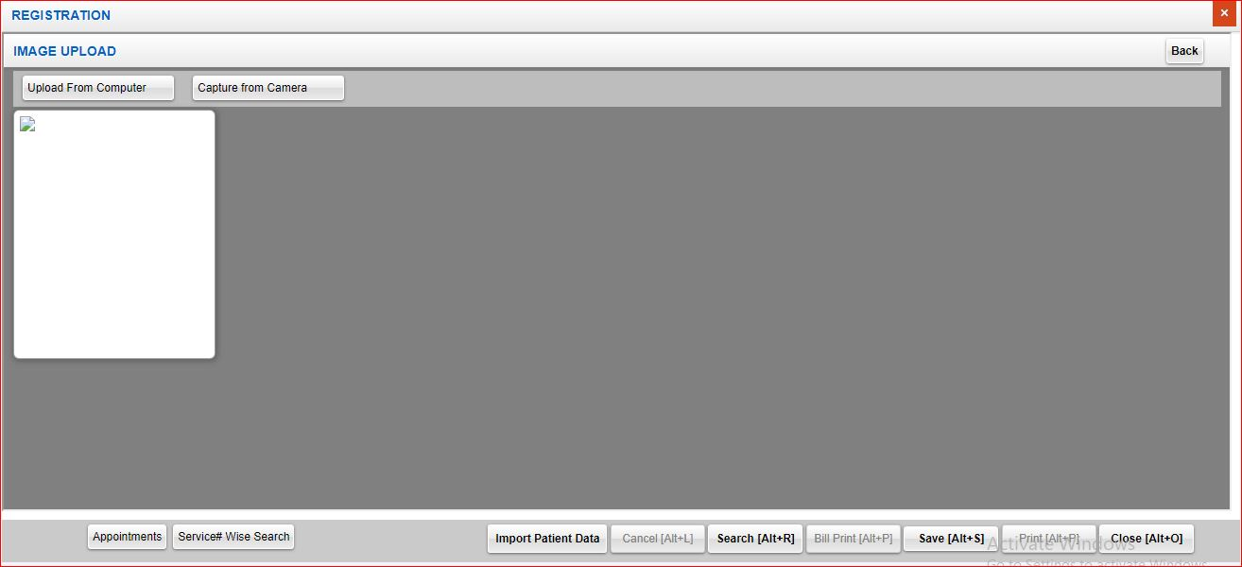

Sl No: | 2 | Zoho Id: | EQ1-I286 | Summary: | Alert message is displaying on top of the page
TC_id | MED_Out Patient_TC_013
 |  |  |  |  | Steps to Reproduce: 1) Launch Application URL: http://mediwarecloud.com/mediwareqc 2) Username: opuser, password: 123 3) Select "Outpatient" from Application selector 4)Select "Patient" search 5) Enter an invalid entry in any of the searh field and verify the alert messgae

 |  |  |  |  | Screen Resolution: 1360x768 Browser: Google Chrome Version 74.0.3729.169 Operating System: Window 10, Windows 7

 |  |  |  |  | Expected Result: Alert message should be displayed on middle of the page with unique format in all modules

 |  |  |  |  | Actual Result Alert message is displaying on top of the page
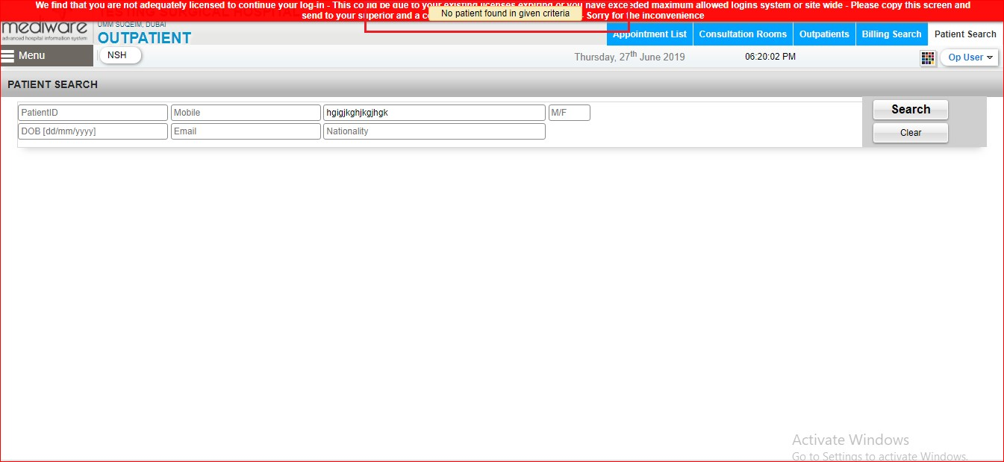

Sl No: | 3 | Zoho Id: | EQ1-I287 | Summary: | No Alert message is displaying for First Name field
TC_id | MED_Out Patient_TC_013
 |  |  |  |  | Steps to Reproduce: 1) Launch Application URL: http://mediwarecloud.com/mediwareqc 2) Username: opuser, password: 123 3) Select "Outpatient" from Application selector 4) Select Menu>>Registration>>OP Visit 5) Enter Patient Id and press enter 6) Select Patient Edit Icon 7) In Patient Edit pop up, Remove first name and click save

 |  |  |  |  | Screen Resolution: 1360x768 Browser: Google Chrome Version 74.0.3729.169 Operating System: Window 10, Windows 7

 |  |  |  |  | Expected Result: Alert messageto enter First name should be displayed

 |  |  |  |  | Actual Result No Message is displaying and data saved successfully message should be displayed

Sl No: | 4 | Zoho Id: | EQ1-I288 | Summary: | Import Patient data is not working
TC_id | MED_Out Patient_TC_014
 |  |  |  |  | Steps to Reproduce: 1) Launch Application URL: http://mediwarecloud.com/mediwareqc 2) Username: opuser, password: 123 3) Select "Outpatient" from Application selector 4) Select Menu>>Registration>>OP Visit 5) Enter Patient Id and press enter 6) Select Patient Edit Icon 7) Verify Import Patient data option

 |  |  |  |  | Screen Resolution: 1360x768 Browser: Google Chrome Version 74.0.3729.169 Operating System: Window 10, Windows 7

 |  |  |  |  | Expected Result: Details to import should be displayed

 |  |  |  |  | Actual Result Not working

Sl No: | 4 | Zoho Id: |  | Summary: | Some Patient Information details is not saving
TC_id | MED_Out Patient_TC_014
 |  |  |  |  | Steps to Reproduce: 1) Launch Application URL: http://mediwarecloud.com/mediwareqc 2) Username: opuser, password: 123 3) Select "Outpatient" from Application selector 4) Select Menu>>Registration>>OP Visit 5) Enter Patient Id and press enter 6) Select Patient Edit Icon 7) Enter Patient and Personal Information details and select save

 |  |  |  |  | Screen Resolution: 1360x768 Browser: Google Chrome Version 74.0.3729.169 Operating System: Window 10, Windows 7

 |  |  |  |  | Expected Result: Entered data should be saved successfully

 |  |  |  |  | Actual Result Blood group, Religion,patient class, Source of information,Religion, Relationship, state, taluk is not saving

Sl No: | 5 | Zoho Id: | EQ1-I290 | Summary: | opuser can login to other modules which are not assigned
TC_id
 |  |  |  |  | Steps to Reproduce: 1) Launch Application URL: http://mediwarecloud.com/mediwareqc 2) Username: opuser, password: 123 3) Navigate to IP module url=http://mediwarecloud.com/mediwareqc/IP/IPGraph.aspx

 |  |  |  |  | Screen Resolution: 1360x768 Browser: Google Chrome Version 74.0.3729.169 Operating System: Window 10, Windows 7

 |  |  |  |  | Expected Result Shouldnot navigate to IP Module

 |  |  |  |  | Actual Result Navigates to IP Module

Sl No: | 6 | Zoho Id: | EQ1-I306 | Summary: | Todays Appointment list table view is not displaying when no Appointments are scheduled
TC_id
 |  |  |  |  | Steps to Reproduce: 1) Launch Application URL: http://mediwarecloud.com/mediwareqc 2) Username: opuser, password: 123 3) Select Out patient from Application selector 14) Select Appointment list tab

 |  |  |  |  | Screen Resolution: 1360x768 Browser: Google Chrome Version 74.0.3729.169 Operating System: Window 10, Windows 7

 |  |  |  |  | Expected Result If no Appointments are scheduled, then search view and Appointment list with alert message No appointments should be displayed

 |  |  |  |  | Actual Result Only search option is available. No alert message is displaying
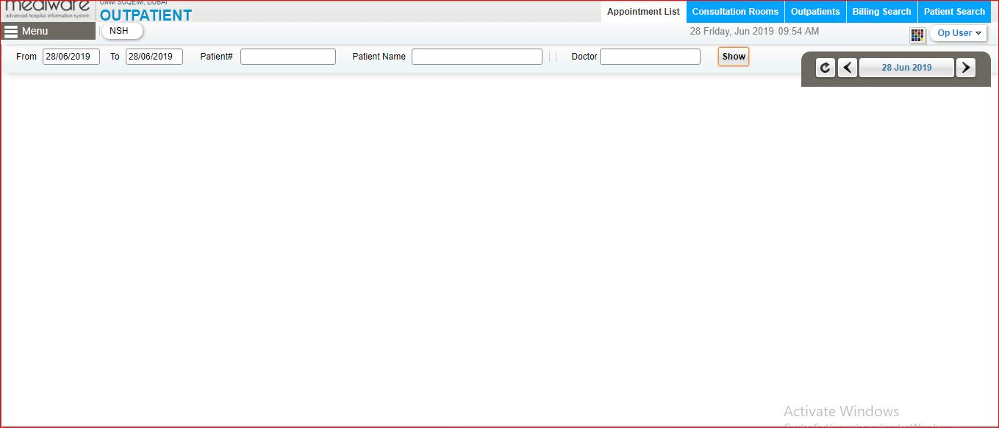

Sl No: | 7 | Zoho Id: | EQ1-I307 | Summary: | Sometimes default error message is displaying after selecting Appointment tab
TC_id
 |  |  |  |  | Steps to Reproduce: 1) Launch Application URL: http://mediwarecloud.com/mediwareqc 2) Username: opuser, password: 123 3) Select Out patient from Application selector 14) Select Appointment list tab

 |  |  |  |  | Screen Resolution: 1360x768 Browser: Google Chrome Version 74.0.3729.169 Operating System: Window 10, Windows 7

 |  |  |  |  | Expected Result If no Appointments are scheduled, then search view and Appointment list with alert message No appointments should be displayed

 |  |  |  |  | Actual Result Default error message is displaying
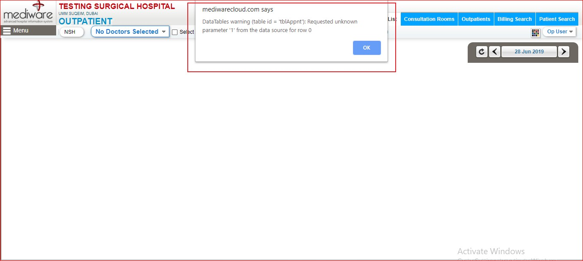

Sl No: | 8 | Zoho Id: | EQ1-I308 | Summary: | Doctors list is not listing in Op visit after checking Cross Consultation option
TC_id
 |  |  |  |  | Steps to Reproduce: 1) Launch Application URL: http://mediwarecloud.com/mediwareqc 2) Username: opuser, password: 123 3) Select Out patient from Application selector 4) Menu>>OP Visit 5) Enter Patient Id and Press Enter key 6) Check Cross consultation on top of the po up view 7) Doctor (internal) field becomes Active

 |  |  |  |  | Screen Resolution: 1360x768 Browser: Google Chrome Version 74.0.3729.169 Operating System: Window 10, Windows 7

 |  |  |  |  | Expected Result Doctor Name should be displayed in pop up view

 |  |  |  |  | Actual Result No Details is listing in Doctor (internal) drop down

Sl No: | 9 | Zoho Id: | EQ1-I309 | Summary: | Summary information count is not filtering while selecting each options
TC_id
 |  |  |  |  | Steps to Reproduce: 1) Launch Application URL: http://mediwarecloud.com/mediwareqc 2) Username: opuser, password: 123 3) Select Out patient from Application selector 4)Select Appointment list 5) Select Various counts displayed on summary information on right pane

 |  |  |  |  | Screen Resolution: 1360x768 Browser: Google Chrome Version 74.0.3729.169 Operating System: Window 10, Windows 7

 |  |  |  |  | Expected Result Selected details count should be filtered

 |  |  |  |  | Actual Result Data is not filtering

Sl No: | 9 | Zoho Id: | EQ1-I364 | Summary: | All options are visible in Add Policy
TC_id
 |  |  |  |  | Steps to Reproduce: 1) Launch Application URL: http://mediwarecloud.com/mediwareqc 2) Username: opuser, password: 123 3) Select Out patient from Application selector 4) Select Menu>>Registration>>Add Policy 5) Verify options Available

 |  |  |  |  | Screen Resolution: 1360x768 Browser: Google Chrome Version 74.0.3729.169 Operating System: Window 10, Windows 7

 |  |  |  |  | Expected Result

 |  |  |  |  | All options should be available

 |  |  |  |  | Actual Result

 |  |  |  |  | Few options like Medical Record, Lab Result,Radiology Result, Prev Bill View is not displaying

Sl No: | 10 | Zoho Id: | EQ1-I366 | Summary: | Close Button is not working in "Medical Record" in "Add Policy"
TC_id
 |  |  |  |  | Steps to Reproduce: 1) Launch Application URL: http://mediwarecloud.com/mediwareqc 2) Username: dsoft, password: 123 3) Select Out patient from Application selector 4) Select Menu>>Registration>>Add Policy 5) Select Medical Record

 |  |  |  |  | Screen Resolution: 1360x768 Browser: Google Chrome Version 74.0.3729.169 Operating System: Window 10, Windows 7

 |  |  |  |  | Expected Result

 |  |  |  |  | Should close Medical Record pop up

 |  |  |  |  | Actual Result

 |  |  |  |  | Close button is not working

Sl No: | 11 | Zoho Id: | EQ1-I379 | Summary: | Issue in alert message in "Consultation Room"
TC_id
 |  |  |  |  | Steps to Reproduce: 1) Launch Application URL: http://mediwarecloud.com/mediwareqc 2) Username: opuser, password: 123 3) Select Out patient from Application selector 4) Select "Consultation Room" tab 5) Click on Consultation room 6) Select "Consulted" tab on "Assign Consultation Room" 7) Select any Patient in the list 8) Verify Alert message

 |  |  |  |  | Screen Resolution: 1360x768 Browser: Google Chrome Version 74.0.3729.169 Operating System: Window 10, Windows 7

 |  |  |  |  | Expected Result Display proper alert message

 |  |  |  |  | Actual Result "null had allocated in other room" alert is displaying
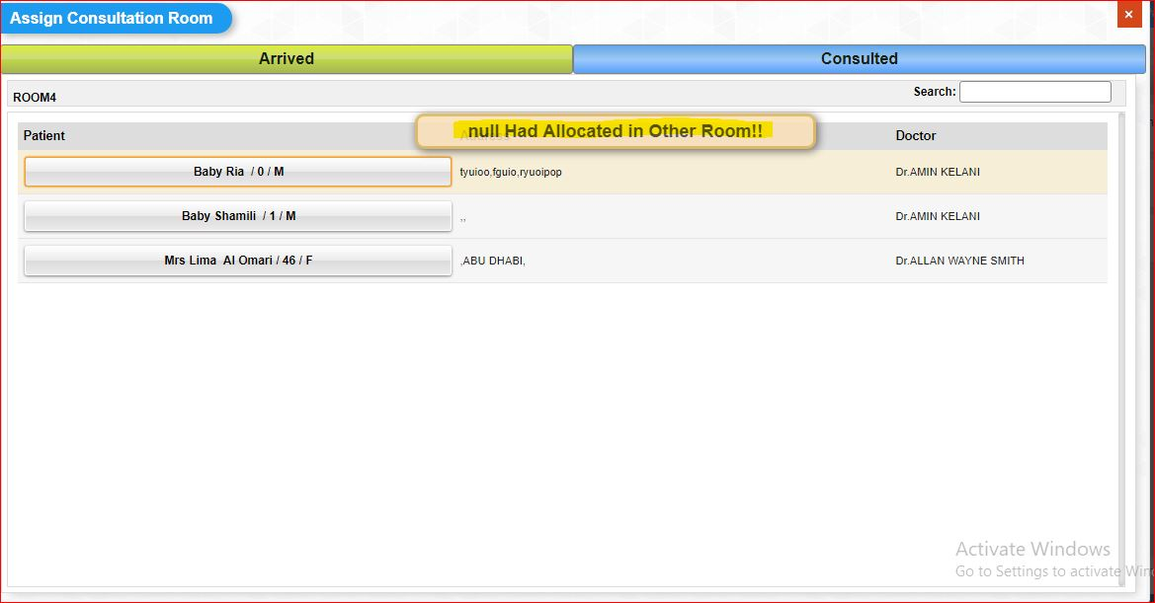

Sl No: | 12 | Zoho Id: | EQ1-I382 | Summary: | Unsupportind file upload in Document upload in "New Registration" results in error
TC_id
 |  |  |  |  | Steps to Reproduce: 1) Launch Application URL: http://mediwarecloud.com/mediwareqc 2) Username: opuser, password: 123 3) Select Out patient from Application selector 4) Menu>>Registration>>New Registration 5) Enter Mandatory fields and select "Documents" tab 6) Select Card type, card id and upload any unsupporting file format 7) Verify after selecting tick option

 |  |  |  |  | Screen Resolution: 1360x768 Browser: Google Chrome Version 74.0.3729.169 Operating System: Window 10, Windows 7

 |  |  |  |  | Expected Result Unsupporting file format alert message should be displayed

 |  |  |  |  | Actual Result Error page is displaying
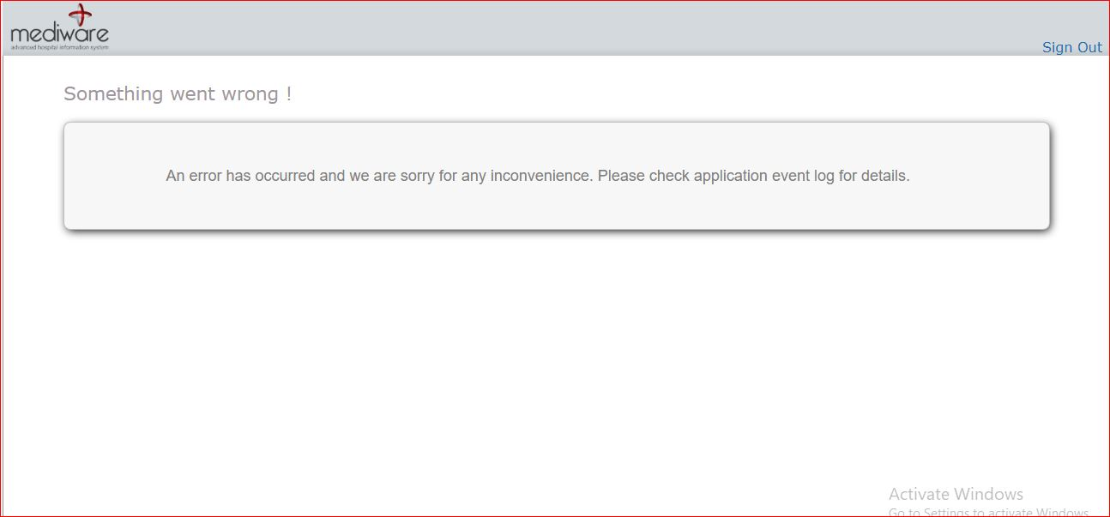

Sl No: | 13 | Zoho Id: | EQ1-I388 | Summary: | Unsupportind file attachment in Insurance
TC_id
 |  |  |  |  | Steps to Reproduce: 1) Launch Application URL: http://mediwarecloud.com/mediwareqc 2) Username: opuser, password: 123 3) Select Out patient from Application selector 4) Menu>>Registration>>New Registration 5) select "Insurance" tab and Enter Mandatory fields 6) Attach any unsupporting file and select save

 |  |  |  |  | Screen Resolution: 1360x768 Browser: Google Chrome Version 74.0.3729.169 Operating System: Window 10, Windows 7

 |  |  |  |  | Expected Result Unsupporting file format alert message should be displayed

 |  |  |  |  | Actual Result 404 error is displaying

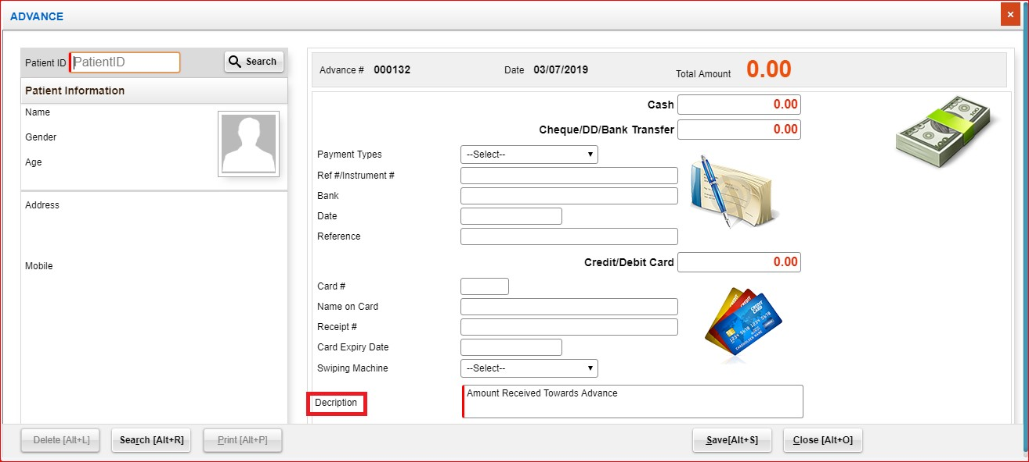
Sl No: | 14 | Zoho Id: | EQ1-I394 | Summary: | Description spelling error in Advance Entry
TC_id
 |  |  |  |  | Steps to Reproduce: 1) Launch Application URL: http://mediwarecloud.com/mediwareqc 2) Username: opuser, password: 123 3) Select Out patient from Application selector 4) Menu>>Billing>>Advance Entry 5) Verify spelling

 |  |  |  |  | Screen Resolution: 1360x768 Browser: Google Chrome Version 74.0.3729.169 Operating System: Window 10, Windows 7

 |  |  |  |  | Expected Result Spelling should be correct

 |  |  |  |  | Actual Result Spelling is wrong

Sl No: |  | Zoho Id: | EQ1-I395 | Summary: | Mandatory field entry alert is not displaying if default entry in "Description" is removed
TC_id
 |  |  |  |  | Steps to Reproduce: 1) Launch Application URL: http://mediwarecloud.com/mediwareqc 2) Username: opuser, password: 123 3) Select Out patient from Application selector 4) Menu>>Registration>>New Registration 5) Remove default entry in description field and save 6) verify alert message

 |  |  |  |  | Screen Resolution: 1360x768 Browser: Google Chrome Version 74.0.3729.169 Operating System: Window 10, Windows 7

 |  |  |  |  | Expected Result Alert message to enter mandatory field should be displayed

 |  |  |  |  | Actual Result No alert message is displaying

Sl No: | 11 | Zoho Id: | EQ1-I448 | Summary: | Cannot Add items in "LRO Bill" in out patient
TC_id
 |  |  |  |  | Steps to Reproduce: 1) Launch Application URL: http://mediwarecloud.com/mediwareqc 2) Username: opuser, password: 123 3) Select Out patient from Application selector 4) Select Menu>>Billing>Consolidate OP Billing 5) Select Patient id: NH00000712 Bill no: 000434 6) Verify ADD ITEM

 |  |  |  |  | Screen Resolution: 1360x768 Browser: Google Chrome Version 74.0.3729.169 Operating System: Window 10, Windows 7

 |  |  |  |  | Expected Result Add item cell should be active

 |  |  |  |  | Actual Result Cell is deactivated

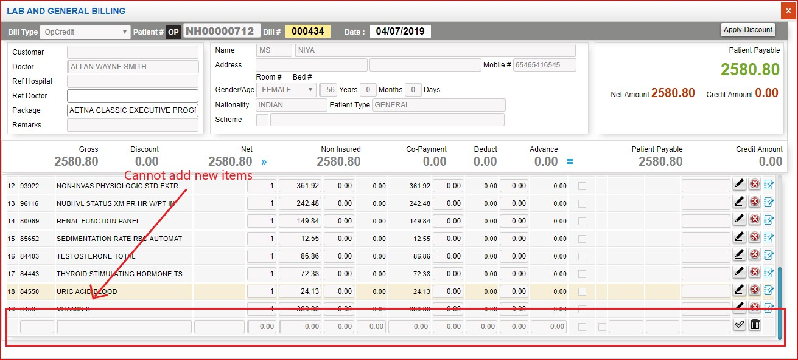

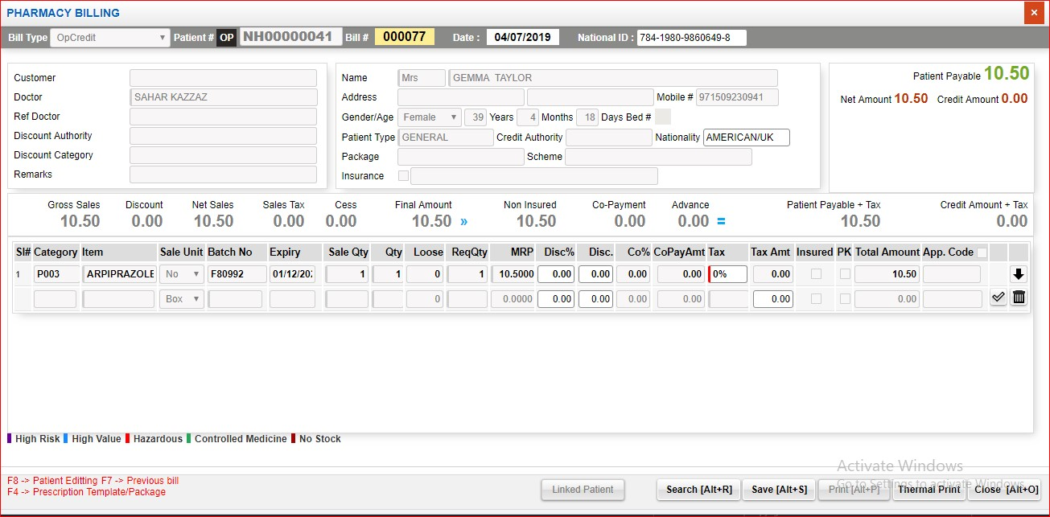
Sl No: |  | Zoho Id: | EQ1-I445 | Summary: | Cannot handle delete in Pharmacy billing in OP
TC_id
 |  |  |  |  | Steps to Reproduce: 1) Launch Application URL: http://mediwarecloud.com/mediwareqc 2) Username: opuser, password: 123 3) Select Out patient from Application selector 4) Select Menu>>Billing>Consolidate OP Billing 5) Enter a patient id having entry in Pharmacy billing 5) Add Item and verify deletion of entered item

 |  |  |  |  | Screen Resolution: 1360x768 Browser: Google Chrome Version 74.0.3729.169 Operating System: Window 10, Windows 7

 |  |  |  |  | Expected Result Delete option after adding item should be available

 |  |  |  |  | Actual Result Delete is not available

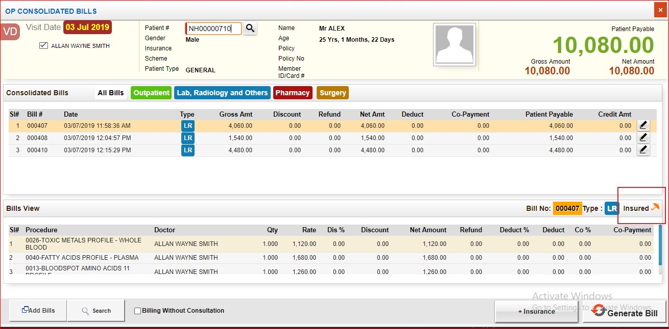
Sl No: |  | Zoho Id: | EQ1-I450 | Summary: | Non insured patients are marked as insured in Consolidate bill marking
TC_id
 |  |  |  |  | Steps to Reproduce: 1) Launch Application URL: http://mediwarecloud.com/mediwareqc 2) Username: opuser, password: 123 3) Select Out patient from Application selector 4) Select Menu>>Billing>Consolidate OP Billing 5) Enter a patient id having entry in Pharmacy billing 5) Patient id:

 |  |  |  |  | Screen Resolution: 1360x768 Browser: Google Chrome Version 74.0.3729.169 Operating System: Window 10, Windows 7

 |  |  |  |  | Expected Result Insured icon should be displayed only for insurance patients

 |  |  |  |  | Actual Result Isured icon is displaying for non insured patients

Sl No: |  | Zoho Id: | EQ1-I447 | Summary: | In pharmacy billing, Invalid National id message is displaying
TC_id
 |  |  |  |  | Steps to Reproduce: 1) Launch Application URL: http://mediwarecloud.com/mediwareqc 2) Username: opuser, password: 123 3) Select Out patient from Application selector 4) Select Menu>>Billing>Consolidate OP Billing 5) Select Add Bills>Pharmacy 5) Verify message | 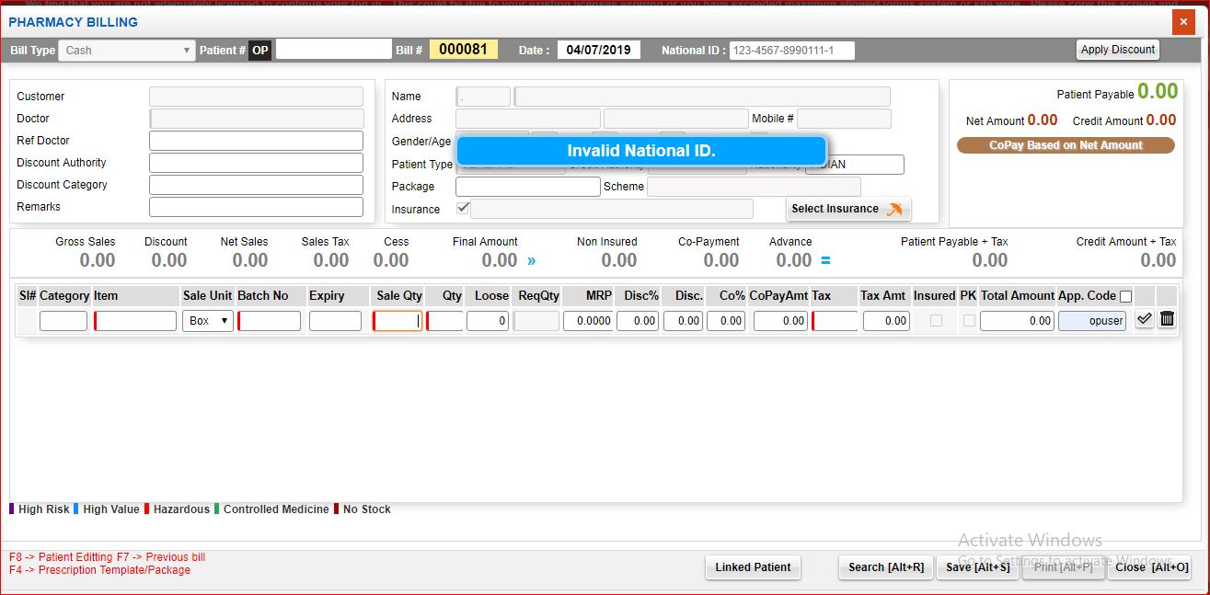

 |  |  |  |  | Screen Resolution: 1360x768 Browser: Google Chrome Version 74.0.3729.169 Operating System: Window 10, Windows 7

 |  |  |  |  | Expected Result Pharmacy bill pop up with patient id and information should be displayed

 |  |  |  |  | Actual Result invalid national id message should be displayed

Sl No: |  | Zoho Id: | EQ1-I444 | Summary: | "Something went wrong" is displaying while saving chief surgeon details
TC_id
 |  |  |  |  | Steps to Reproduce: 1) Launch Application URL: http://mediwarecloud.com/mediwareqc 2) Username: opuser, password: 123 3) Select Out patient from Application selector 4) Select Menu>>Billing>Consolidate OP Billing 5) Select Add Bills>Surgery Entry 5) Enter Surgery,theatre,surgeon,date and select ADD Button 6) Select surgeon and Type as Chief surgeon and click + icon

 |  |  |  |  | Screen Resolution: 1360x768 Browser: Google Chrome Version 74.0.3729.169 Operating System: Window 10, Windows 7

 |  |  |  |  | Expected Result An entry should be generated

 |  |  |  |  | Actual Result "Something went wrong" message should be displayed

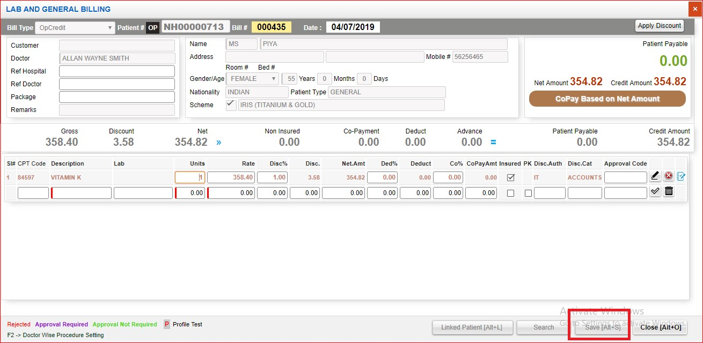
Sl No: |  | Zoho Id: | EQ1-I446 | Summary: | "Save" button is not active for editing LRO Bill
TC_id
 |  |  |  |  | Steps to Reproduce: 1) Launch Application URL: http://mediwarecloud.com/mediwareqc 2) Username: opuser, password: 123 3) Select Out patient from Application selector 4) Select Menu>>Billing>Consolidate OP Billing 5) Select Edit option in LRO Bill 6) Verify Lab and General Billing pop up

 |  |  |  |  | Screen Resolution: 1360x768 Browser: Google Chrome Version 74.0.3729.169 Operating System: Window 10, Windows 7

 |  |  |  |  | Expected Result An entry should be generated

 |  |  |  |  | Actual Result "Something went wrong" message should be displayed

Sl No: |  | Zoho Id: | EQ1-I454 | Summary: | "Receipt Print" is not working for Payment Type-Complimentory
TC_id | MED_Out Patient_TC_0123
 |  |  |  |  | Steps to Reproduce: 1) Launch Application URL: http://mediwarecloud.com/mediwareqc 2) Username: opuser, password: 123 3) Select Out patient from Application selector 4) Select Menu>>Billing>Consolidate OP Billing 5) Add Bills >> OP bill 6) Select "Generate Bill" 7) Select Payment type as Complementory, Customer,Doctor and click Save Bill 8) Print pop up is displayed 9) Select "Receipt Print"

 |  |  |  |  | Screen Resolution: 1360x768 Browser: Google Chrome Version 74.0.3729.169 Operating System: Window 10, Windows 7

 |  |  |  |  | Expected Result Print format of Receipt should be displayed

 |  |  |  |  | Actual Result Not working

Sl No: |  | Zoho Id: | EQ1-I457 | Summary: | Patient "Reopened" status is not displaying in OP
TC_id
 |  |  |  |  | Steps to Reproduce: 1) Launch Application URL: http://mediwarecloud.com/mediwareqc 2) Username: opuser, password: 123 3) Select Out patient from Application selector 4) Select Menu>>Billing>Consolidate OP Billing 5) Select Menu>>Billing>>Visit Re-open 6) Search corresponding patient id and select visit Re-open check box 7) Verify status change Patient id: NH00000738

 |  |  |  |  | Screen Resolution: 1360x768 Browser: Google Chrome Version 74.0.3729.169 Operating System: Window 10, Windows 7

 |  |  |  |  | Expected Result "Reopened" status should be displayed

 |  |  |  |  | Actual Result Patient "Reopened" Status is not displaying

Sl No: |  | Zoho Id: | EQ1-I459 | Summary: | It is possible to enter past date in payment mode as cheque
TC_id
 |  |  |  |  | Steps to Reproduce: 1) Launch Application URL: http://mediwarecloud.com/mediwareqc 2) Username: opuser, password: 123 3) Select Out patient from Application selector 4) Select Menu>>Billing>Consolidate OP Billing 5) Enter patient id and press enter key 6) Select Add Bills>>OP Bill 7) Select Generate bill after adding bills 8) Select Save Bill 9) In Payment mode enter amount in cheque field | 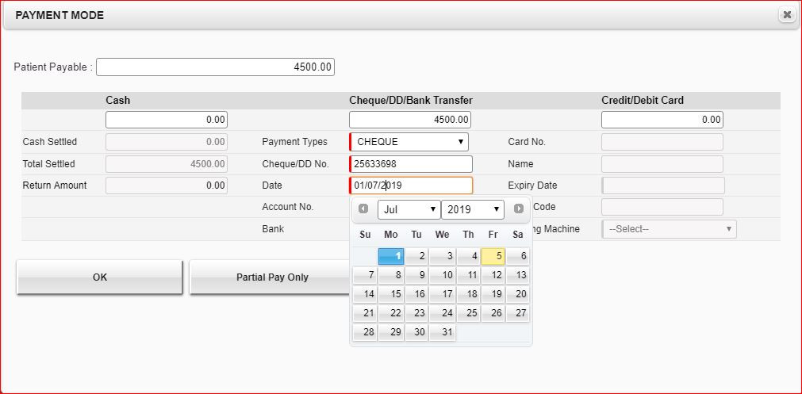

 |  |  |  |  | Screen Resolution: 1360x768 Browser: Google Chrome Version 74.0.3729.169 Operating System: Window 10, Windows 7

 |  |  |  |  | Expected Result Past date should not be entered in date field

 |  |  |  |  | Actual Result Date field validation is missing

Sl No: |  | Zoho Id: |  | Summary: | It is possible to enter past date in Credit card Expiry date
TC_id
 |  |  |  |  | Steps to Reproduce: 1) Launch Application URL: http://mediwarecloud.com/mediwareqc 2) Username: opuser, password: 123 3) Select Out patient from Application selector 4) Select Menu>>Billing>Consolidate OP Billing 5) Enter patient id and press enter key 6) Select Add Bills>>OP Bill 7) Select Generate bill after adding bills 8) Select Save Bill 9) In Payment mode enter amount in credit field

 |  |  |  |  | Screen Resolution: 1360x768 Browser: Google Chrome Version 74.0.3729.169 Operating System: Window 10, Windows 7

 |  |  |  |  | Expected Result Past date should not be entered in expiry date field

 |  |  |  |  | Actual Result Date field validation is missing

Sl No: |  | Zoho Id: | EQ1-I475 | Summary: | Partial Pay in OB bill is not working
TC_id
 |  |  |  |  | Steps to Reproduce: 1) Launch Application URL: http://mediwarecloud.com/mediwareqc 2) Username: opuser, password: 123 3) Select Out patient from Application selector 4) Select Menu>>Billing>Consolidate OP Billing 5) Enter patient id and press enter key 6) Select Add Bills>>OP Bill 7) Select Generate bill after adding bills 8) Select Save bill 9) Select "Partial Pay only" option 10) Enter partial amount as Credit card pay and select ok

 |  |  |  |  | Screen Resolution: 1360x768 Browser: Google Chrome Version 74.0.3729.169 Operating System: Window 10, Windows 7

 |  |  |  |  | Expected Result Partial amount deducted should be displayed

 |  |  |  |  | Actual Result No partial amount is deducting

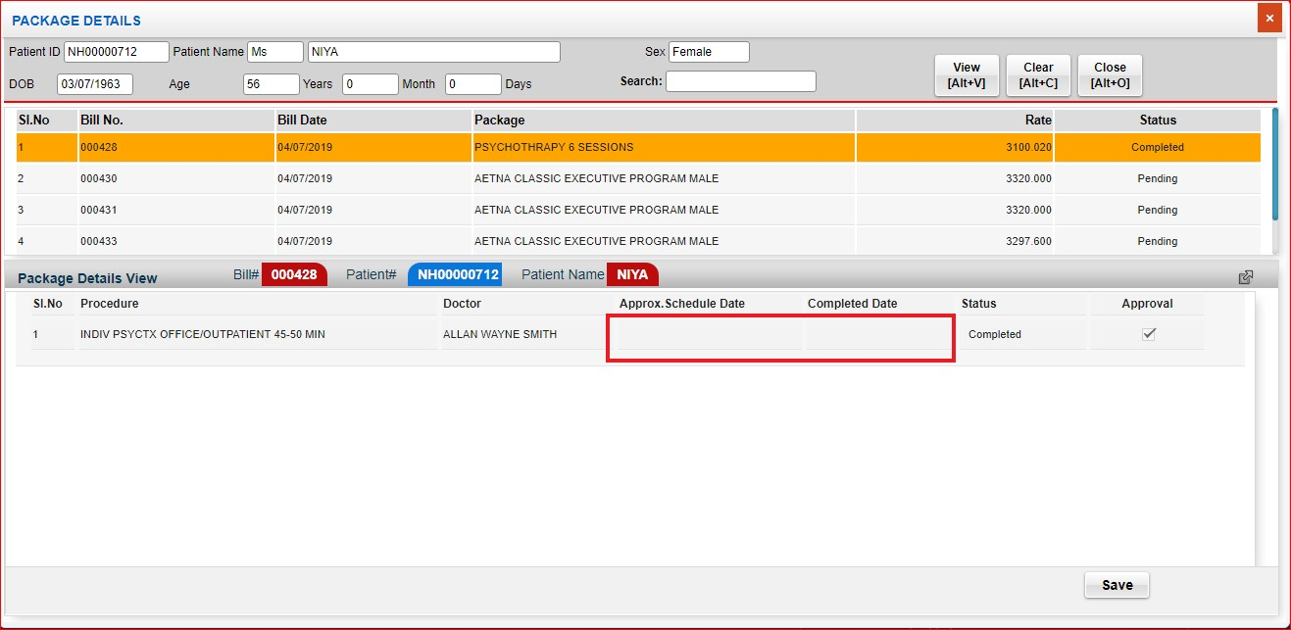
Sl No: |  | Zoho Id: | EQ1-I498 | Summary: | Approx. Schedule date and completed date is not displaying in Package details
TC_id
 |  |  |  |  | Steps to Reproduce: 1) Launch Application URL: http://mediwarecloud.com/mediwareqc 2) Username: opuser, password: 123 3) Select Out patient from Application selector 4) Select Menu>>Billing>Package details 5) Enter patient id and press enter key 6) Select any completed procedure from the list 7)Verify Approx. Schedule date and completed date

 |  |  |  |  | Screen Resolution: 1360x768 Browser: Google Chrome Version 74.0.3729.169 Operating System: Window 10, Windows 7

 |  |  |  |  | Expected Result Approx. Schedule date and completed date should be displayed

 |  |  |  |  | Actual Result Approx. Schedule date and completed date is not displaying

Sl No: |  | Zoho Id: | EQ1-I500 | Summary: | Deleted Procedure is not updating in Search result
TC_id
 |  |  |  |  | Steps to Reproduce: 1) Launch Application URL: http://mediwarecloud.com/mediwareqc 2) Username: opuser, password: 123 3) Select Out patient from Application selector 4) Select Menu>>Billing>Billing 5) Select Search button 6) Select any procedure bill from the list 7) Selected bill should be displayed in Procedure pop up and select delete button 8) Added items should be removed and verify the status of the bill in search list | 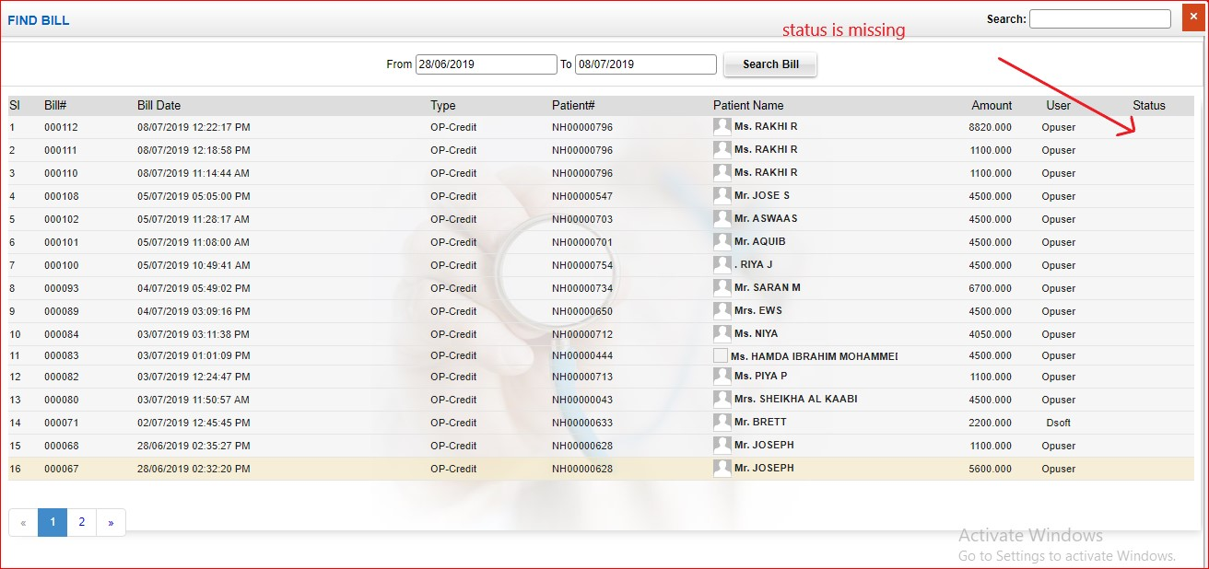

 |  |  |  |  | Screen Resolution: 1360x768 Browser: Google Chrome Version 74.0.3729.169 Operating System: Window 10, Windows 7

 |  |  |  |  | Expected Result Status should be displayed

 |  |  |  |  | Actual Result Deleted status is not displaying in search list

Sl No: |  | Zoho Id: | EQ1-I501 | Summary: | Search in "User details" is not working correctly
TC_id
 |  |  |  |  | Steps to Reproduce: 1) Launch Application URL: http://mediwarecloud.com/mediwareqc 2) Username: opuser, password: 123 3) Select Out patient from Application selector 4) Select Menu>>General>>User Details 5) enter search keyword in search textbox 6) Verify result

 |  |  |  |  | Screen Resolution: 1360x768 Browser: Google Chrome Version 74.0.3729.169 Operating System: Window 10, Windows 7

 |  |  |  |  | Expected Result Selected user should be filtered and listed in the list

 |  |  |  |  | Actual Result User is not listing based on search keyword entered

Sl No: |  | Zoho Id: | EQ1-I502 | Summary: | user details mail is not sending
TC_id
 |  |  |  |  | Steps to Reproduce: 1) Launch Application URL: http://mediwarecloud.com/mediwareqc 2) Username: opuser, password: 123 3) Select Out patient from Application selector 4) Select Menu>>General>>User Details 5) Select any User from the list and click Preview button 6) Select Mail option on top of the user list 7) Enter To address, cc, Subject and click send option

 |  |  |  |  | Screen Resolution: 1360x768 Browser: Google Chrome Version 74.0.3729.169 Operating System: Window 10, Windows 7

 |  |  |  |  | Expected Result Should send mail to entered mail id

 |  |  |  |  | Actual Result Mail is not sending

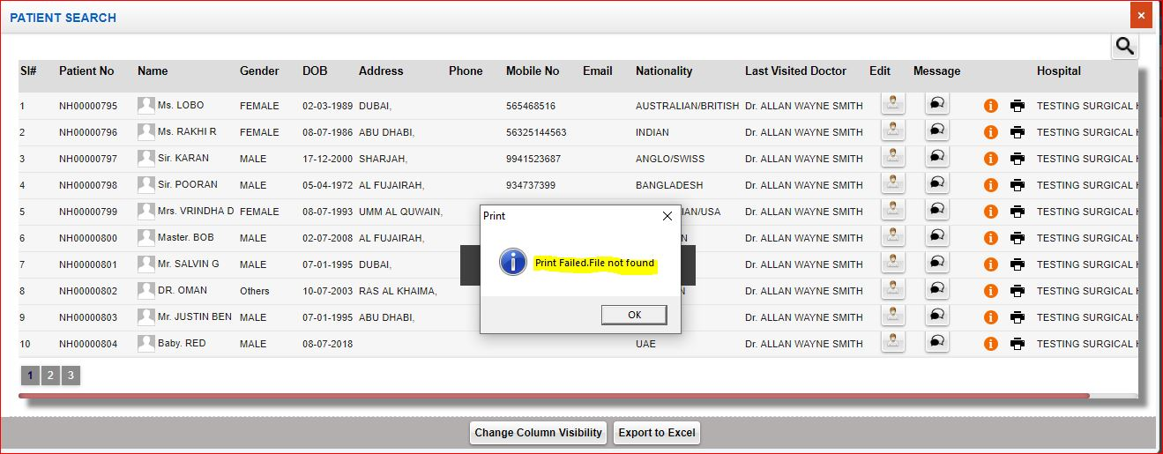
Sl No: |  | Zoho Id: | EQ1-I506 | Summary: | Print in "Patient Search" is not working correctly
TC_id
 |  |  |  |  | Steps to Reproduce: 1) Launch Application URL: http://mediwarecloud.com/mediwareqc 2) Username: opuser, password: 123 3) Select Out patient from Application selector 4) Select Menu>>General>>Patient search 5) Enter any patient id and select "Search Patient" button 6) From the patient list, select Print option 7) Verify message displayed

 |  |  |  |  | Screen Resolution: 1360x768 Browser: Google Chrome Version 74.0.3729.169 Operating System: Window 10, Windows 7

 |  |  |  |  | Expected Result Should print the selected patient record

 |  |  |  |  | Actual Result "Print Failed. File not found" error is displaying

Sl No: |  | Zoho Id: | EQ1-I509 | Summary: | "Search" in Patient wise search is not working correctly
TC_id
 |  |  |  |  | Steps to Reproduce: 1) Launch Application URL: http://mediwarecloud.com/mediwareqc 2) Username: opuser, password: 123 3) Select Out patient from Application selector 4) Select Menu>>General>>Patient wise visit search 5) Enter from and To Date, Patient id and select "Show" button 6) Enter text " Visit" on Search textbox on top right of the page Patient id: NH00000302 |  | 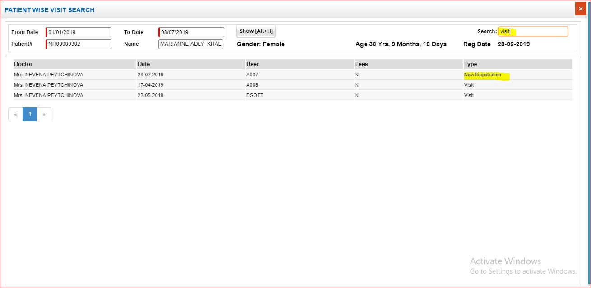

 |  |  |  |  | Screen Resolution: 1360x768 Browser: Google Chrome Version 74.0.3729.169 Operating System: Window 10, Windows 7

 |  |  |  |  | Expected Result Should filter list based on the search keyword entered

 |  |  |  |  | Actual Result Not working correctly

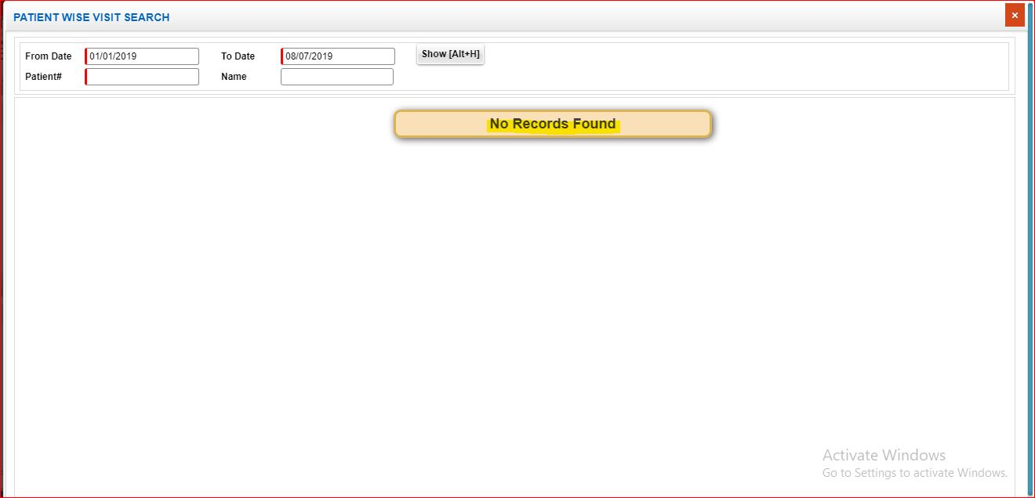
Sl No: |  | Zoho Id: | EQ1-I511 | Summary: | Alert message to enter mandatory field "Patient id" is not displaying
TC_id
 |  |  |  |  | Steps to Reproduce: 1) Launch Application URL: http://mediwarecloud.com/mediwareqc 2) Username: opuser, password: 123 3) Select Out patient from Application selector 4) Select Menu>>General>>Patient wise visit search 5) Enter from and To Date, and select "Show" button 6) Verify Alert message

 |  |  |  |  | Screen Resolution: 1360x768 Browser: Google Chrome Version 74.0.3729.169 Operating System: Window 10, Windows 7

 |  |  |  |  | Expected Result Alert message to enter Patient id should be displayed

 |  |  |  |  | Actual Result "No Records found" message is displaying

